IRA RMI Analysis 30D
Passenger
Weighted average BEV sales share | 2022 | 2023 | 2024 | 2025 | 2026 | 2027 | 2028 | 2029 | 2030 | 2031 | 2032 | 2033 | 2034 | 2035 | 2036 | 2037 | 2038 | 2039 | 2040 | 2041 | 2042 | 2043 | 2044 | 2045 | 2046 | 2047 | 2048 | 2049 | 2050
Without IRA | 5% | 7% | 10% | 14% | 19% | 24% | 30% | 36% | 43% | 48% | 52%
With IRA - High | 5% | 10% | 15% | 21% | 28% | 37% | 46% | 55% | 64% | 71% | 76%
With IRA - Med | 5% | 9% | 11% | 16% | 23% | 31% | 39% | 47% | 55% | 61% | 67%
With IRA - Low | 5% | 8% | 10% | 14% | 19% | 25% | 32% | 39% | 46% | 52% | 57%
Difference | 0% | 1% | 0% | 0% | 0% | 1% | 2% | 3% | 3% | 4% | 5% | 5% | 5% | 5% | 5% | 5% | 5% | 5% | 5% | 5% | 5% | 5% | 5% | 5% | 5% | 5% | 5% | 5% | 5%

Freight
Use Energy Innovation's National Analysis

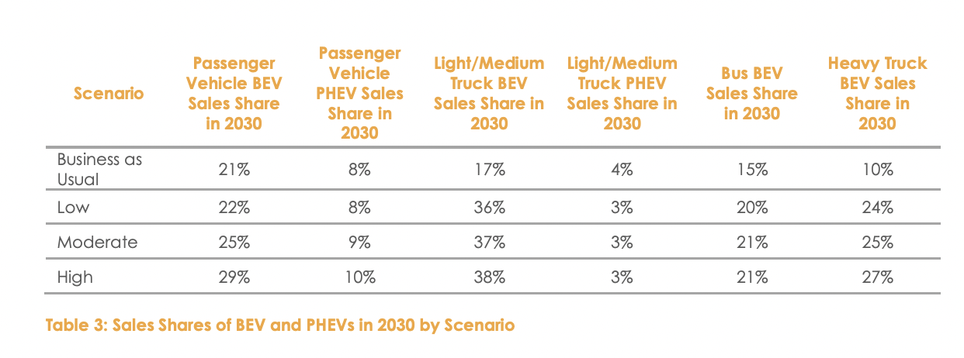

 |  |  |  |  |  |  |  |  |  |  | BAU |  | 0.15 | 0.1
 |  |  |  |  |  |  |  |  |  |  | Low |  | 0.2 | 0.24
 |  |  |  |  |  |  |  |  |  |  | Difference |  | 0.05 | 0.14 | 0.095

 | 2022 | 2023 | 2024 | 2025 | 2026 | 2027 | 2028 | 2029 | 2030 | 2031 | 2032 | 2033 | 2034 | 2035 | 2036 | 2037 | 2038 | 2039 | 2040 | 2041 | 2042 | 2043 | 2044 | 2045 | 2046 | 2047 | 2048 | 2049 | 2050
With IRA | 1% | 2% | 3% | 4% | 5% | 6% | 7% | 8% | 9% | 9% | 9% | 9% | 9% | 9% | 9% | 9% | 9% | 9% | 9% | 9% | 9% | 9% | 9% | 9% | 9% | 9% | 9% | 9% | 9%

